Sheet1
Radial Thrust Calculator - Joe Evans www.PumpEd101.com
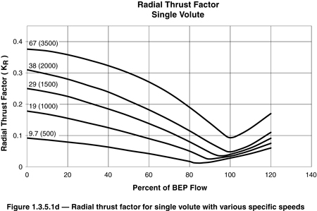

Radial Thrust (PSI): F_{R} = K_{R} x (H x s/2.31) x D₂ x b₂

Enter the required data in the highlighted cells. If you do not know the pump
specific speed use the Ns calculator below.

Thrust Factor (KR) @ flow point (from graph) |  | 0.29
Head (H) per Stage @ flow point in feet |  | 138
Specific Gravity (S) |  | 1
Impeller Diameter (D2) in inches |  | 11.88
Impeller Width (b2) @ discharge in inches |  | 3.5
FR (Unbalanced Radial Thrust in lbf) = |  | 720

Pump Specific Speed: Ns = N √Q / H^{0.75}
 |  |  | Instructions
Enter the required data in the highlighted cells |  |  | The numbers in ( ) are Pump Specific Speed (Ns). The curves represent the radial thrust factor
 |  |  | from 0 to 120% of BEP flow for that particular specific speed. Select a point on the X axis that
Pump RPM (N) | 2950 |  | corresponds to the point to be evaluated on the pump H/Q curve. The thrust factor is the value
Flow (Q) @ BEP | 1200 |  | on the Y axis where the curve intersects the selected X axis value. For values of Ns that fall
Head (H) @ BEP | 110 |  | between the ones shown you may interpolate the intersection. Impeller width (b2) is the width
Ns = | 3009 |  | in inches at the discharge including the shroud(s). The example shown is for a sewage pump
 |  |  | with a specific speed of 1785, operating at 40% of BEP flow. At 100% of BEP flow, radial thrust is
 |  |  | reduced to 59 lbs. Worst case? This pump is approved by the manufacturer for flows as low as
 |  |  | 21% of BEP. At that flow point, radial thrust reaches 660 lbs.

