Sheet1
Suction Calculators Joe Evans www.PumpEd101.com

Suction Specific Speed (S or Nss)
Suction Energy (SE)

S = N √Q / NPSHr^{0.75}
SE = De x N x S x SG

Enter the required data in the highlighted cells |  |  | Enter the required data in the highlighted cells

Pump RPM (N) |  | 1770 | Impeller Eye Diameter " (De) |  |  | 9.75
BEP Flow (Q)* |  | 2000 | Pump RPM (N) |  |  | 1770
NPSHr @ BEP |  | 22 | Suction Specific Speed (Nss) |  |  | 7792
 |  |  | Specific Gravity (SG) |  |  | 1

S = | 7,792 |  | SE = | 134,470,440

* For double suction pumps enter 1/2 the BEP flow. |  |  | Pump Type |  | High Suction Energy |  | Very High Suction Energy
Values of S greater than 9,000 may require a greater NPSH margin.
Refer to the chart below for acceptable operating ranges. |  |  | 1 or 2- Vane Sewage* |  | 100,000,000 |  | 150,000,000
 |  |  | End Suction |  | 160,000,000 |  | 240,000,000
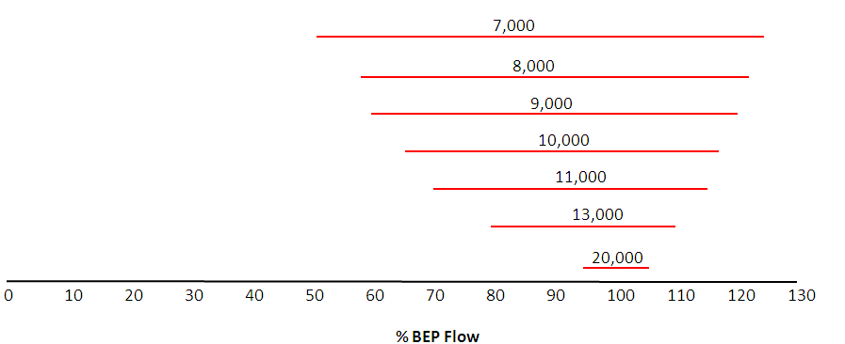
 |  |  | Double Suction |  | 120,000,000 |  | 180,000,000
 |  |  | Vertical Turbine |  | 200,000,000 |  | 300,000,000
 |  |  | * Also any impeller with less than 15⁰ vane overlap
Window of Operation
 |  |  | Instructions: |  | 1.487315725

 |  |  | If the impeller eye diameter is not known it can be approximated as follows:
 |  |  | End Suction Pump - Suction nozzle diameter x 0.90
 |  |  | Horizontal Split Case Pump - Suction nozzle x 0.75

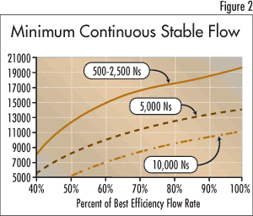
The chart below shows the minimum stable flow for various |  |  | The example used in both calculators is a dry pit non-clog with a 10" suction
specific speeds and suction specific speeds. |  |  | and a two vane, 17.5" impeller. BEP flow is 3400gpm @ 230' and requires
 |  |  | an NPSH of 12 feet.

 |  |  | The chart below shows the NPSH margin required to meed a certain level
 |  |  | of pump reliability. The suction energy ratio is the calculated SE divided
 |  |  | by the high suction energy value for a particular pump design.
